Forcasting
Year | Baseline | Emissions after policies | 5-Year SMA | Exponential Smoothing (α = 0.3)
2000 | 40.8 | 40.8 |  | 40.8
2001 | 41.7 | 41.7 |  | 41.1
2002 | 42.5 | 42.5 |  | 41.5
2003 | 43.4 | 43.4 |  | 42.1
2004 | 44.4 | 44.4 | 39.2 | 42.8
2005 | 45.5 | 45.5 | 38.9 | 43.6
2006 | 46.7 | 46.7 | 38.6 | 44.5
2007 | 47.9 | 47.9 | 38.2 | 45.5
2008 | 49.1 | 49.1 | 37.9 | 46.6
2009 | 50.1 | 50.1 | 37.5 | 47.7
Actual vs Smoothed Trends
 | Baseline | Emissions after policies | 5-Year SMA | Exponential Smoothing (α = 0.3)
2000 | 40.8 | 40.8 |  | 40.8
2001 | 41.7 | 41.7 |  | 41.1
2002 | 42.5 | 42.5 |  | 41.5
2003 | 43.4 | 43.4 |  | 42.1
2004 | 44.4 | 44.4 | 39.2 | 42.8
2005 | 45.5 | 45.5 | 38.9 | 43.6
2006 | 46.7 | 46.7 | 38.6 | 44.5
2007 | 47.9 | 47.9 | 38.2 | 45.5
2008 | 49.1 | 49.1 | 37.9 | 46.6
2009 | 50.1 | 50.1 | 37.5 | 47.7
2010 | 50.9 | 50.9 | 37.1 | 48.6
2011 | 52.0 | 52.0 | 36.8 | 49.6
2012 | 53.0 | 53.0 | 36.3 | 50.6
2013 | 53.9 | 53.9 | 35.9 | 51.6
2014 | 54.8 | 54.8 | 35.5 | 52.6
2015 | 55.5 | 55.5 | 35.0 | 53.5
2016 | 56.2 | 56.2 | 34.5 | 54.3
2017 | 56.8 | 56.8 | 34.1 | 55.0
2018 | 57.4 | 57.4 | 33.6 | 55.7
2019 | 57.9 | 57.9 | 33.0 | 56.4
2020 | 58.0 | 58.0 | 32.5 | 56.9
2021 | 57.8 | 57.8 | 32.0 | 57.1
2022 | 57.9 | 57.9 | 31.5 | 57.4
2023 | 58.2 | 58.2 | 30.9 | 57.6
2024 | 58.4 | 58.4 | 30.3 | 57.8
2025 | 58.5 | 58.6 | 29.8 | 58.1
2026 | 58.6 | 57.5 | 29.2 | 57.9
2027 | 58.7 | 56.6 | 28.7 | 57.5
2028 | 58.8 | 55.5 | 28.1 | 56.9
2029 | 58.9 | 54.3 | 27.6 | 56.1
2030 | 59.0 | 53.0 | 27.0 | 55.2
2031 | 59.1 | 51.5 | 26.6 | 54.1
2032 | 59.3 | 50.0 | 26.2 | 52.8
2033 | 59.4 | 48.4 | 25.8 | 51.5
2034 | 59.6 | 46.8 | 25.4 | 50.1
2035 | 59.7 | 45.1 | 25.0 | 48.6
2036 | 59.9 | 43.8 | 24.6 | 47.1
2037 | 60.1 | 42.5 | 24.2 | 45.7
2038 | 60.4 | 41.2 | 23.8 | 44.4
2039 | 60.6 | 39.9 | 23.5 | 43.0
2040 | 60.9 | 38.7 | 23.2 | 41.7
2041 | 61.1 | 37.5 | 22.8 | 40.5
2042 | 61.4 | 36.4 | 22.5 | 39.2
2043 | 61.7 | 35.3 | 22.2 | 38.0
2044 | 62.0 | 34.2 | 21.9 | 36.9
2045 | 62.3 | 33.2 | 21.7 | 35.8
2046 | 62.7 | 32.3 | 21.4 | 34.7
2047 | 63.0 | 31.3 | 21.1 | 33.7
2048 | 63.4 | 30.5 | 20.9 | 32.7
2049 | 63.7 | 29.7 | 20.6 | 31.8
...
2010 | 50.9 | 50.9 | 37.1 | 48.6
2011 | 52.0 | 52.0 | 36.8 | 49.6
2012 | 53.0 | 53.0 | 36.3 | 50.6
2013 | 53.9 | 53.9 | 35.9 | 51.6
2014 | 54.8 | 54.8 | 35.5 | 52.6
2015 | 55.5 | 55.5 | 35.0 | 53.5
2016 | 56.2 | 56.2 | 34.5 | 54.3
2017 | 56.8 | 56.8 | 34.1 | 55.0
2018 | 57.4 | 57.4 | 33.6 | 55.7
2019 | 57.9 | 57.9 | 33.0 | 56.4
2020 | 58.0 | 58.0 | 32.5 | 56.9
2021 | 57.8 | 57.8 | 32.0 | 57.1
2022 | 57.9 | 57.9 | 31.5 | 57.4
2023 | 58.2 | 58.2 | 30.9 | 57.6
2024 | 58.4 | 58.4 | 30.3 | 57.8
2025 | 58.5 | 58.6 | 29.8 | 58.1
2026 | 58.6 | 57.5 | 29.2 | 57.9
2027 | 58.7 | 56.6 | 28.7 | 57.5
2028 | 58.8 | 55.5 | 28.1 | 56.9
2029 | 58.9 | 54.3 | 27.6 | 56.1
2030 | 59.0 | 53.0 | 27.0 | 55.2
2031 | 59.1 | 51.5 | 26.6 | 54.1
2032 | 59.3 | 50.0 | 26.2 | 52.8
2033 | 59.4 | 48.4 | 25.8 | 51.5
2034 | 59.6 | 46.8 | 25.4 | 50.1
2035 | 59.7 | 45.1 | 25.0 | 48.6
2036 | 59.9 | 43.8 | 24.6 | 47.1
2037 | 60.1 | 42.5 | 24.2 | 45.7
2038 | 60.4 | 41.2 | 23.8 | 44.4
2039 | 60.6 | 39.9 | 23.5 | 43.0
2040 | 60.9 | 38.7 | 23.2 | 41.7
2041 | 61.1 | 37.5 | 22.8 | 40.5
2042 | 61.4 | 36.4 | 22.5 | 39.2
2043 | 61.7 | 35.3 | 22.2 | 38.0
2044 | 62.0 | 34.2 | 21.9 | 36.9
2045 | 62.3 | 33.2 | 21.7 | 35.8
2046 | 62.7 | 32.3 | 21.4 | 34.7
2047 | 63.0 | 31.3 | 21.1 | 33.7
2048 | 63.4 | 30.5 | 20.9 | 32.7
2049 | 63.7 | 29.7 | 20.6 | 31.8
2050 | 64.1 | 28.9 | 20.4 | 31.0
2051 | 64.4 | 28.2 | 20.2 | 30.1
2052 | 64.8 | 27.5 | 20.0 | 29.3
2053 | 65.2 | 26.9 | 19.8 | 28.6
2054 | 65.5 | 26.2 | 19.6 | 27.9
2055 | 65.9 | 25.6 | 19.4 | 27.2
2056 | 66.2 | 25.0 | 19.2 | 26.6
2057 | 66.6 | 24.5 | 19.0 | 25.9
2058 | 66.9 | 23.9 | 18.9 | 25.3
2059 | 67.2 | 23.4 | 18.7 | 24.8
2060 | 67.5 | 22.9 | 18.6 | 24.2
2061 | 67.8 | 22.5 | 18.4 | 23.7
2062 | 68.1 | 22.0 | 18.3 | 23.2
2063 | 68.4 | 21.6 | 18.1 | 22.7
2064 | 68.6 | 21.2 | 18.0 | 22.3
2065 | 68.8 | 20.8 | 17.9 | 21.8
2066 | 69.1 | 20.5 | 17.8 | 21.4
2067 | 69.3 | 20.1 | 17.7 | 21.0
2068 | 69.4 | 19.8 | 17.6 | 20.7
2069 | 69.6 | 19.5 | 17.5 | 20.3
2070 | 69.8 | 19.2 | 17.4 | 20.0
2071 | 69.9 | 18.9 | 17.3 | 19.7
2072 | 70.1 | 18.7 | 17.2 | 19.4
2073 | 70.2 | 18.4 | 17.1 | 19.1
2074 | 70.3 | 18.2 | 17.0 | 18.8
2075 | 70.4 | 18.0 | 17.0 | 18.6
2076 | 70.4 | 17.8 | 16.9 | 18.4
2077 | 70.5 | 17.6 | 16.8 | 18.1
2078 | 70.5 | 17.5 | 16.8 | 17.9
2079 | 70.5 | 17.3 | 16.7 | 17.8
2080 | 70.5 | 17.2 | 16.7 | 17.6
2081 | 70.5 | 17.1 | 16.6 | 17.4
2082 | 70.5 | 17.0 | 16.6 | 17.3
2083 | 70.4 | 16.9 | 16.5 | 17.2
2084 | 70.4 | 16.8 | 16.5 | 17.1
2085 | 70.3 | 16.7 | 16.4 | 17.0
2086 | 70.3 | 16.6 | 16.4 | 16.9
2087 | 70.2 | 16.6 | 16.4 | 16.8
2088 | 70.1 | 16.5 | 16.3 | 16.7
2089 | 70.0 | 16.5 | 16.3 | 16.6
2090 | 69.9 | 16.4 | 16.3 | 16.6
2091 | 69.8 | 16.3 | 16.3 | 16.5
2092 | 69.6 | 16.3 | 16.2 | 16.4
2093 | 69.5 | 16.3 | 16.2 | 16.4
2094 | 69.4 | 16.2 | 16.2 | 16.3
2095 | 69.2 | 16.2 | 16.2 | 16.3
2096 | 69.1 | 16.2 | 16.2 | 16.2
2097 | 68.9 | 16.1 | 16.1 | 16.2
2098 | 68.8 | 16.1 | 16.1 | 16.2
2099 | 68.6 | 16.1 | 16.1 | 16.1
2100 | 68.5 | 16.1 | 16.1 | 16.1

Optimization
Type | Optimized value | Coefficience | Baseline values
Intercept | 73.471910 |  | 0
Coal ($/ton) | -15.000000 | 0.139784294 | 0
Renewables Subsidy ($/kWh) (Coded) | -0.050000 | 0.364179627 | 0
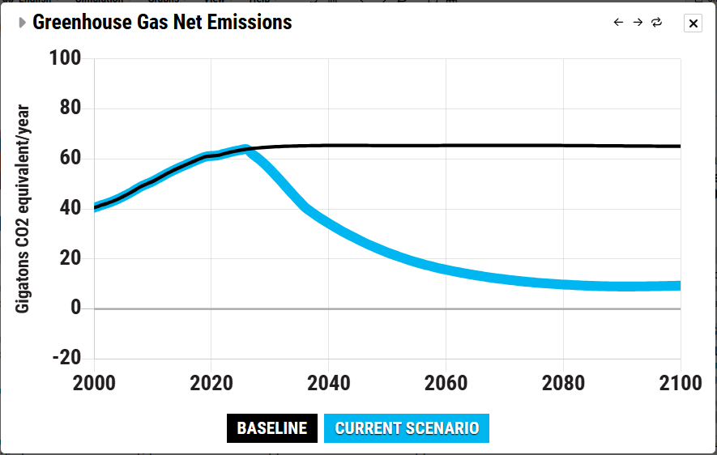
Oil ($/barrel) | -15.000000 | -0.048905574 | 0
Nuclear Policy | 0.070000 | -7.097273059 | 0
Natural Gas ($/MCF) | 5.000000 | -1.564882269 | 0
Bio-Energy ($/boe) | -25.000000 | 0.128682975 | 0
Carbon Price ($/ton) | 250.000000 | -0.173528806 | 0
Transport Electrification (%) | 0.000000 | -0.01910391 | 0
Building Electrification (%) | 0.000000 | -0.115747155 | 0
Deforestation (%) | -10.000000 | 0.834797597 | 0
Carbon/Nature Removal (%) | 100.000000 | -0.076553652 | 0
Carbon/Technology Removal (%) | 2.796779 | -0.158328475 | 0

 | Current | 19 |  | Emissions_Baseline_2100 | 68.48

